2.5.Concrete Cover
2.5 Concrete cover evaluation |  |  |  |  | Project : |  | BAHRU SARBET MODEL 1-3 q=1
 |  |  |  |  | Client : |  | ATO BAHRU
 |  |  |  |  | Designed by : |  | Sofonias Bezabeh

 | The required protection of the structure shall be established by considering its intended use, desing working life, maintenance programme and actions. one of the main way of creating protection for structure is through concrete cover. Concrete cover is the distance between the surface of the reinforcement closest to the nearest concrete surface including links and stirrps and surface reinforcement where relevant and the nearest concrete Surface. The nominal cover shall be specified on the drawings it is defined as a minimum cover , Cmin plus an allowance in design for deviation Cdev according to section 4.4.1 of ES EN 1992-1-1:2015

 |  | Cnom=C min + ΔCdev
 |  | Cnom = | Nominal Concrete Cover
 |  | Cmin = | Minimum Concrete Cover
 |  | ΔCdev = | Cover for Allowance of deviation

> | Minimum Cover (Cmin)
 | Minimum concrete cover, Cmin shall be provided in order to ensure: |  |  |  |  |  |  |  | Separated
 |  | » | Safe Transmission of bond forces (Cmin,b) |  |  |  |  |  | Bundled
 |  | » | the protection of the steel against corrosion
 |  | » | adequate fire resistance |  |  |  |  |  | Less than 32mm
 |  |  |  |  |  |  |  |  | Greater than 32mm

 |  | cmin,b minimum cover due to bond requirement, see 4.4.1.2 (3) ES EN 2015
 |  | cmin,dur minimum cover due to environmental conditions, see 4.4.1.2 (5)
 |  | ∆cdur,γ additive safety element, see 4.4.1.2 (6) ES EN 2015
 |  | ∆cdur,st reduction of minimum cover for use of stainless steel
 |  | ∆cdur,add reduction of minimum cover for use of additional protection

 | Minimum Cover due to Bond requirment
 | In order to Transmit bond forces safely and to ensure adequate compactionof the concrete, the minimum cover should not be less than Cmin,b. it depends on Rebar arregment and aggregate size
 | Rebar Arregment |  | Separated
 | Aggregate Size |  | Less than 32mm

 |  | Type | Cmin,b
 | √ | Slab | 12 | mm |  |  |  | 12
 | √ | Beam | 20 | mm |  |  |  | 20
 | √ | Column | 20 | mm |  |  |  | 20
 | √ | Footing | 20 | mm |  |  |  | 20

 | Minimum Cover due to Enviromental Condition (C min,dur)
 | The minimum cover values for reinforcemetn and prestressing tendns in normal weight concrete taking account of the exposure classed and the structural classed is given by C min,dur it is depends on Exposure class of Concrete and Structural Classes

 | Exposure class for Corrusion indused by Carbonation

 | For Super-structure XC1 is advicable
 | For Sub-structure use class XC2

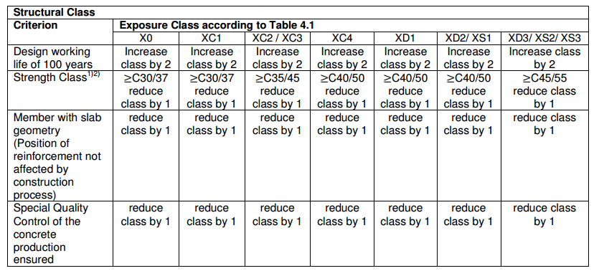

 | For this building the structural Class will be S5

 |  | Therefore for XC1 and S5 Cover will be |  |  | 20 | mm
 |  | Therefore for XC2 and S5 Cover will be |  |  | 30 | mm

 | » | Adviced value of ∆cdur,γ additive safety element is 0mm
 | » | The Recommended value for ∆cdur,st reduction of minimum cover for use of
 |  | stainless steel is 0mm
 | » | ∆cdur,add reduction of minimum cover for use of additional protection is also 0mm

 |  |  | Type | Cmin
 |  |  | Slab | 20 | mm
 |  |  | Beam | 20 | mm
 |  |  | Column | 30 | mm
 |  |  | Foundation | 40 | mm

 | Cover for allowance of deviation (Δcdev)
 | To calculate the nominal cover an addition to the minimum cover shall be made in design to allow for the deviation. The required minimum cover shall increased by the absolute value of the accepted negative deviation the recommended minimum value is 10mm accoriding to ES EN 1192-1-4:2015 section 4.4.1.3

 |  | For Sub-Structure
 |  | Concrete Cover will be
 |  |  | Slab | 25 | mm
 |  |  | Beam | 30 | mm
 |  |  | Column | 40 | mm
 |  |  | Mat Foundation | 50 | mm

 |  | For Super-Structure
 |  | Concrete Cover will be
 |  |  | Slab | 25 | mm
 |  |  | Beam | 30 | mm
 |  |  | Column | 30 | mm

3.2 Structual Regularity
3.2 | Structural Regularity |  |  |  |  | Project : | BAHRU SARBET MODEL 1-3 q=1
 |  |  |  |  |  | Client : | ATO BAHRU
3.2.1. Regularity in plan |  |  |  |  |  | Designed by : | Sofonias Bezabeh
 | For the building to be categorized as being regular in plan, it shall satisfy all the conditions listed below

1 | With respect to the lateral stiffness and mass distribution, the building structure shall be approximately symmetrical in plan with respect to the two orthogonal Direction.
 | The building satisfied condition 1 requirment due to a lack of any L, C, H, I, and X shape. It almost symetrical both ortogonal direction

2 | The in-plan stiffness of the floors shall be sufficiently large in comparison with the lateral stiffness of the vertical structural elements, so that the deformation of the floor shall have a small effect on the distribution of the forces among the vertical structural elements.
 | →The horizonal displacement of the floor due to seismic action do not exceed anywhere by more than 10% of the corresponding absolute horizontal displacement that would result form a rigid diaphram assumption.
 | →Slab thickness is greater than 70mm.
 | →The minimum reinforcement requirmnet of eurocode 2 is applied for both ortogonal direction.
 | Therefore the structure satisfies condition 2 Plan regularity Criterion
3 | The slenderness (l) = Lmax/Lmin of the building in plan shall be not higher than 4, where Lmax and Lmin are respectively the larger and smaller in plan dimension of the building, measured in orthogonal directions.

 | Story | Lmax (m) | Lmin (m) | λ
 | ROOF FL | 33.5 | 22.5 | 1.489 | OK
 | 9TH FL | 33.5 | 22.5 | 1.489 | OK
 | 8TH FL | 33.5 | 22.5 | 1.489 | OK
 | 7TH FL | 33.5 | 22.5 | 1.489 | OK
 | 6TH FL | 33.5 | 22.5 | 1.489 | OK
 | 5TH FL | 33.5 | 22.5 | 1.489 | OK
 | 4TH FL | 33.5 | 22.5 | 1.489 | OK
 | 3RD FL | 33.5 | 22.5 | 1.489 | OK
 | 2ND FL | 33.5 | 22.5 | 1.489 | OK
 | 1ST FL | 33.5 | 22.5 | 1.489 | OK
 | GROUND FL | 33.5 | 22.5 | 1.489 | OK

 | Table 3.2.1: | Slenderness of the Building

 | The structure is regualr in Plan

4 | Structural Eccentricity Shall be less than 30% of the torsional radius of the building

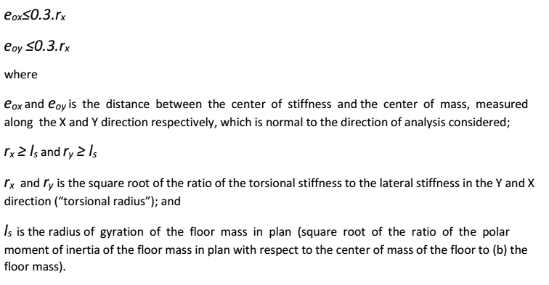

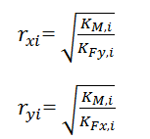
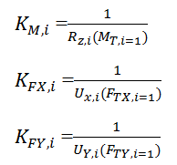

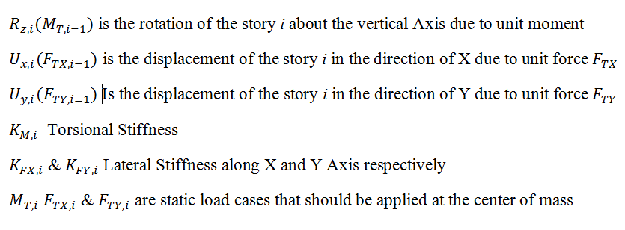

 | Structural Eccentricity

 | Story | Xcm (m) | Ycm (m) | Xcr (m) | Ycr (m) | eox (m) | eoy(m)
 | ROOF FL | 9.198 | 16.383 | 10.413 | 17.472 | -1.215 | -1.089
 | 9TH FL | 9.155 | 16.373 | 10.326 | 17.326 | -1.171 | -0.953
 | 8TH FL | 9.155 | 16.37 | 10.28 | 17.271 | -1.125 | -0.901
 | 7TH FL | 9.155 | 16.367 | 10.226 | 17.196 | -1.071 | -0.829
 | 6TH FL | 9.156 | 16.375 | 10.166 | 17.092 | -1.01 | -0.717
 | 5TH FL | 9.16 | 16.374 | 10.106 | 16.948 | -0.946 | -0.574
 | 4TH FL | 9.158 | 16.391 | 10.054 | 16.752 | -0.896 | -0.361
 | 3RD FL | 9.151 | 16.419 | 10.022 | 16.443 | -0.871 | -0.024
 | 2ND FL | 9.137 | 16.42 | 10.021 | 15.984 | -0.884 | 0.436
 | 1ST FL | 9.072 | 16.512 | 10.305 | 15.466 | -1.233 | 1.046
 | GROUND FL | 7.539 | 16.069 | 10.924 | 16.484 | -3.385 | -0.415

 | Table 3.2.2: | Structural Eccentricity of the Building

 | Torsional Radius |  |  |  |  | UL1 | UL2 | UL3

 | Story | UX(FTX) (m) | UY(FTY) (m) | Rz(MT) (rad) | KFX (kN/m) | KFY (kN/m) | KMT (kN/m) | rx (m) | ry (m)
 | ROOF FL | 33.961 | 39.106 | 0.224 | 0.029 | 0.026 | 4.470 | 13.221 | 12.320
 | 9TH FL | 29.651 | 35.381 | 0.196 | 0.034 | 0.028 | 5.110 | 13.446 | 12.309
 | 8TH FL | 27.012 | 32.714 | 0.178 | 0.037 | 0.031 | 5.612 | 13.549 | 12.312
 | 7TH FL | 23.980 | 29.464 | 0.158 | 0.042 | 0.034 | 6.333 | 13.660 | 12.323
 | 6TH FL | 20.590 | 25.653 | 0.135 | 0.049 | 0.039 | 7.400 | 13.778 | 12.343
 | 5TH FL | 16.941 | 21.591 | 0.111 | 0.059 | 0.046 | 9.033 | 13.966 | 12.371
 | 4TH FL | 13.091 | 17.126 | 0.085 | 0.076 | 0.058 | 11.781 | 14.205 | 12.419
 | 3RD FL | 9.190 | 12.519 | 0.059 | 0.109 | 0.080 | 16.995 | 14.586 | 12.497
 | 2ND FL | 5.447 | 7.691 | 0.034 | 0.184 | 0.130 | 29.429 | 15.045 | 12.661
 | 1ST FL | 2.306 | 3.180 | 0.013 | 0.434 | 0.315 | 74.963 | 15.439 | 13.148
 | GROUND FL | 0.455 | 0.261 | 0.002 | 2.196 | 3.826 | 492.611 | 11.348 | 14.978

 | Table 3.2.3: | Radius of Gyration of the Building

 | Story | eox (m) | rx (m) | 0.3*rx (m) | Status | eoy (m) | ry (m) | 0.3*ry (m) | Status
 | ROOF FL | 1.215 | 13.446 | 4.034 | OK | 1.089 | 12.309 | 3.693 | OK
 | 9TH FL | 1.171 | 13.446 | 4.034 | OK | 0.953 | 12.309 | 3.693 | OK
 | 8TH FL | 1.125 | 13.549 | 4.065 | OK | 0.901 | 12.312 | 3.694 | OK
 | 7TH FL | 1.071 | 13.660 | 4.098 | OK | 0.829 | 12.323 | 3.697 | OK
 | 6TH FL | 1.01 | 13.778 | 4.133 | OK | 0.717 | 12.343 | 3.703 | OK
 | 5TH FL | 0.946 | 13.966 | 4.190 | OK | 0.574 | 12.371 | 3.711 | OK
 | 4TH FL | 0.896 | 14.205 | 4.261 | OK | 0.361 | 12.419 | 3.726 | OK
 | 3RD FL | 0.871 | 14.586 | 4.376 | OK | 0.024 | 12.497 | 3.749 | OK
 | 2ND FL | 0.884 | 15.045 | 4.513 | OK | 0.436 | 12.661 | 3.798 | OK
 | 1ST FL | 1.233 | 15.439 | 4.632 | OK | 1.046 | 13.148 | 3.944 | OK
 | GROUND FL | 3.385 | 11.348 | 3.404 | OK | 0.415 | 14.978 | 4.493 | OK

 | Table 3.2.4: | Structural Eccentricity and Radius of Gyration Comparison for the Building

 | For this case the structure satisfies Plan regularity criterion in X-Direction

 | For this case the structure satisfies Plan regularity criterion in Y-Direction

5 | Torsional radius should be greater than radius of gyration of each floor system r >= ls

 | Story | rx | ls | Status | ry | ls | Status
 | ROOF FL | 13.221 | 17.542 | NOT OK | 12.309 | 17.542 | NOT OK
 | 9TH FL | 13.446 | 17.325 | NOT OK | 12.309 | 17.325 | NOT OK
 | 8TH FL | 13.549 | 17.325 | NOT OK | 12.312 | 17.325 | NOT OK
 | 7TH FL | 13.660 | 17.520 | NOT OK | 12.323 | 17.520 | NOT OK
 | 6TH FL | 13.778 | 17.322 | NOT OK | 12.343 | 17.322 | NOT OK
 | 5TH FL | 13.966 | 17.226 | NOT OK | 12.371 | 17.226 | NOT OK
 | 4TH FL | 14.205 | 17.677 | NOT OK | 12.419 | 17.677 | NOT OK
 | 3RD FL | 14.586 | 17.716 | NOT OK | 12.497 | 17.716 | NOT OK
 | 2ND FL | 15.045 | 17.715 | NOT OK | 12.661 | 17.715 | NOT OK
 | 1ST FL | 15.439 | 17.476 | NOT OK | 13.148 | 17.476 | NOT OK
 | GROUND FL | 11.348 | 19.416 | NOT OK | 14.978 | 19.416 | NOT OK

 | Table 3.2.5: | Torsional Radius and Radius of Gyration Comparison for the Building

 | The structure is irregular in X-dir in Plan

 | The structure is irregular in Y-Dir in Plan
 | Based on analysis data the from Table 3.2.4 it can be concluded that the building is irregular in Plan for the Building classification. Hence for Table 3.2.5 we can conclude that the building isn't Tosionally Flexible in both directions.

 | Criteria for regularity in Elevation
 | For the building to be categorized as being regular in Elevation, it shall satisfy all the conditions listed below

1 | All lateral load resisting systems, such as cores, structural walls, or frames, shall run without
 | interruption from their foundations to the top of the building
 | All Columns and shear wall run without any intruption from bottom to top

2 | Both the lateral stiffness and the mass of the individual storeys shall remain constant or reduce
 | gradually, without abrupt changes, from the base to the top of a particular building.
 |  |  |  | EQX
 | Story | Stiffness X axis (kN/m) | Ki >0.7*Ki+1 X axis
 | ROOF FL | 89146.60 | NOT OK
 | 9TH FL | 158647.56 | OK
 | 8TH FL | 172348.18 | OK
 | 7TH FL | 183116.21 | OK
 | 6TH FL | 195896.94 | OK
 | 5TH FL | 208175.15 | OK
 | 4TH FL | 227167.93 | OK
 | 3RD FL | 252813.48 | OK
 | 2ND FL | 314184.85 | OK
 | 1ST FL | 434752.19

 | Table 3.2.6: | Storey Stiffness along X Direction of the Building

 |  |  |  | EQY
 | Story | Stiffness Y axis (kN/m) | Ki >0.7*Ki+1 X axis
 | ROOF FL | 119501.58 | OK
 | 9TH FL | 158042.80 | OK
 | 8TH FL | 162857.05 | OK
 | 7TH FL | 167006.52 | OK
 | 6TH FL | 183528.87 | OK
 | 5TH FL | 191260.40 | OK
 | 4TH FL | 208522.50 | OK
 | 3RD FL | 219328.25 | OK
 | 2ND FL | 254963.24 | OK
 | 1ST FL | 338999.66

 | Table 3.2.7: | Storey Stiffness along Y Direction of the Building

 | Story | Mass (1000 x Kg) | Mi < 2Mi+1 | Mi < 2Mi-1
 | ROOF FL | 699.6172
 | 9TH FL | 724.4789 | OK | OK
 | 8TH FL | 724.6522 | OK | OK
 | 7TH FL | 724.8256 | OK | OK
 | 6TH FL | 729.8058 | OK | OK
 | 5TH FL | 736.6812 | OK | OK
 | 4TH FL | 743.2589 | OK | OK
 | 3RD FL | 749.0878 | OK | OK
 | 2ND FL | 754.8454 | OK | OK
 | 1ST FL | 805.3196 | OK

 | Table 3.2.8: | Mass Distribution aloing height of the Building

 | Based on analysis data the from Table 3.2.6, 3.2.7, 3.2.8 it can be concluded that the building is regular in Elevation for the Building classification.

 | Elastic spectrum deflection versus Design spectrum deflection shape
 | Along X-Direction

 | Story | RSEQX Design DISP | RSEQX ELASTIC DISP
 | ROOF FL | 0.1448 | 0.1448
 | 9TH FL | 0.1333 | 0.1333
 | 8TH FL | 0.1189 | 0.1189
 | 7TH FL | 0.1032 | 0.1032
 | 6TH FL | 0.0867 | 0.0867
 | 5TH FL | 0.0700 | 0.0700
 | 4TH FL | 0.0531 | 0.0531
 | 3RD FL | 0.0365 | 0.0365
 | 2ND FL | 0.0211 | 0.0211
 | 1ST FL | 0.0088 | 0.0088

 | Based on analysis data the Elastic Analysis will be taken for Analysis for Damage Limitation and Stability Analysis

 | Elastic spectrum deflection versus Design spectrum deflection shape
 | Along Y-Direction

 | Story | RSEQY Design DISP | RSEQY ELASTIC DISP
 | ROOF FL | 0.1355 | 0.1355
 | 9TH FL | 0.1273 | 0.1273
 | 8TH FL | 0.1147 | 0.1147
 | 7TH FL | 0.1006 | 0.1006
 | 6TH FL | 0.0855 | 0.0855
 | 5TH FL | 0.0706 | 0.0706
 | 4TH FL | 0.0552 | 0.0552
 | 3RD FL | 0.0402 | 0.0402
 | 2ND FL | 0.0250 | 0.0250
 | 1ST FL | 0.0112 | 0.0112

 | Based on analysis data the Elastic Analysis will be taken for Analysis for Damage Limitation and Stability Analysis

3.4 Behavioral Factor
 |  |  |  |  |  |  | Project : | BAHRU SARBET MODEL 1-3 q=1
3.4. Behavioral Factor Calculation |  |  |  |  |  |  | Client : | ATO BAHRU
 |  |  |  |  |  |  | Designed by : | Sofonias Bezabeh
 | To avoid explicit inelastic structural analysis in design, the capacity of the structure to dissipate energy, through mainly ductile behaviour of its elements and/or other mechanisms, is taken into accountby performing an elastic analysis based on a response spectrum reduced with respect to the elastic one,henceforth called a ''design spectrum''. This reduction is accomplished by introducing the behaviour factor q.

 | Fel is the peak force that would be developed in an SDOF system if it responded to the earthquake elastically
 | Fy is the yield load of the system.

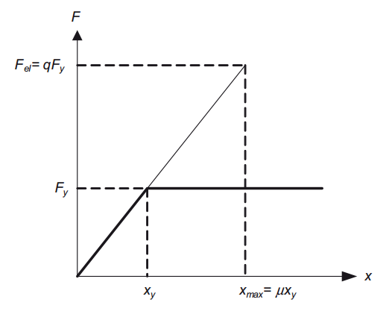

 | For the vertical component of the seismic action a behaviour factor q up to to 1,5 should generally be adopted for all materials and structural systems.
 | The adoption of values for q greater than 1,5 in the vertical direction should be justified through an appropriate analysis.

 |  |  | ES EN 1998-1-1:2015,cl.5.2.2.2(1))

 | qo is the basic value of the behaviour factor, dependent on the type of the structural system and on its regularity in elevation
 | kw is the factor reflecting the prevailing failure mode in structural systems with walls |  |  |  |  |  |  |  | One Storey Frame
 |  |  |  |  |  |  |  |  | Multi-Storey One Bay frame
 | For buildings that are regular in elevation the basic values of qo for the various structural |  |  |  |  |  |  |  | Multi-Storey Multi-Bay Frame
 | types are given in Table below |  |  |  |  |  |  |  | Wall Equivalent Dual System
 |  |  |  |  |  |  |  |  | Coupled Wall System
 |  |  |  |  |  |  |  |  | Uncoupled wall System
 |  |  |  |  |  |  |  |  | Uncoupled wall System
 |  |  |  |  |  |  |  |  | Torsionally Flexible system
 |  |  |  |  |  |  |  |  | Inverted Pendulum System

 | When the multiplication factor αu/α1 has not been evaluated through an explicit calculation, for
 | buildings which are regular or irregular in plan the following approximate values of αu/α1 may be used.

 | For regular building


 | For Irregular building

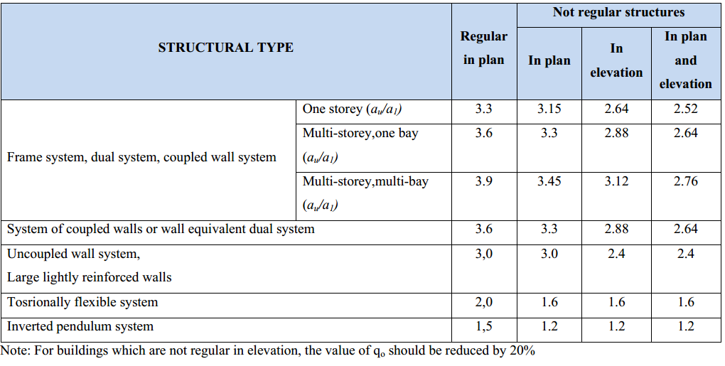

 | Table 3.4.1 | Behaviour factor qo for DCM structural system

 | Building Type |  | Multi-Storey Multi-Bay Frame
 | Structural Type |  | Irregular |  |  |  |  |  |  | Regular
 |  |  |  |  |  |  |  |  |  | Irregular In Plan
 |  | qo= | 2.76 |  |  |  |  |  |  | Irregular In Elevation
 |  |  |  |  |  |  |  |  |  | Irregular

 | αo is the prevailing aspect ratio of the walls of the structural system

 | hwi is the height of wall i; and
 | lwi is the length of the section of wall i

 | Shear wall total length
 |  | - | along X axis |  |  | m
 |  | - | along Y axis |  |  | m
 | Total Height of Shear wall |  |  |  | m

 | Along X axis
 |  | αox= | 1 | Kwx= | 1
 | Along Y Axis
 |  | αoy= | 1 | Kwy= | 1

 |  | Behavioural factor will be :-
 |  |  | Along X axis => |  | qx= | 2.76
 |  |  | Along Y axis => |  | qy= | 2.76

 |  |  |  |  | q= | 2.76

4.1 Base Shear
4 | Seismic Analysis |  |  |  | Project : |  | BAHRU SARBET MODEL 1-3 q=1
 |  |  |  |  | Client : |  | ATO BAHRU
 |  |  |  |  | Designed by : |  | Sofonias Bezabeh
4.1 | Base Shear Calculation
 | Eurocode 8 recommended highly idealized spectra, which follow the physical constraints and the characteristic features of actual spectra and are intended to represent average characteristics of ground motions in the region. The shape of spectra follows the typical characteristics of spectra. The spectral accelerations are the largest in the short-period range, the spectral velocities are the largest in the medium period range and the spectral displacements are the largest in the long-period range. In order to define the design seismic action according to Eurocode 8, the following parameters need to be defined:
1 | The reference return period for the seismic action
2 | The structure is designed with no collapse and damage limitation requirements under the effect of reference seismic actions associated with a 10% Probability of exceedance in 50 years and 10 years respectively. This is equivalent to a mean return period of 475 years for earthquakes at least as strong as the design seismic action.
3 | Ground type based on Shear wave or SPT values
4 | Important class of a building. Ordinary building with important class II
5 | The predominant surface wave magnitude of earthquakes that contribute to the seismic hazard. The building is located in Addis Ababa which is categorized under Seismic Zone 3. The design ground acceleration will be 0.1g.

Design Ground Acceleration corresponding to

No Collapse Requirement |  |  | 0.1 |  | g
Damage Limitation requirement |  |  | 0.1 |  | g
 |  |  |  |  |  |  |  |  |  |  |  | n= | 1
Table 3.1: Values of the parameters describing the recommended Type 1 elastic response spectra |  |  |  |  |  | Table 3.2: Values of the parameters describing the recommended Type 2 elastic response spectra

Ground type | S | TB(s) | TC(s) | TD(s) |  | Ground type | S | TB(s) | TC(s) | TD(s) |  | TYPE 1X | Sd <=TB(s) | Sd <=TC(s) | Sd <=TD(s) | Sd >=TD(s) | TYPE 1Y | Sd <=TB(s) | Sd <=TC(s) | Sd <=TD(s) | Sd >=TD(s) | TYPE 2X | Sd <=TB(s) | Sd <=TC(s) | Sd <=TD(s) | Sd >=TD(s) | TYPE 2Y | Sd <=TB(s) | Sd <=TC(s) | Sd <=TD(s) | Sd >=TD(s)
A | 1 | 0.05 | 0.25 | 1.2 |  | A | 1 | 0.15 | 0.4 | 2 |  | A | 12.950667971 | 0.90579710145 | 0.2 | 0.2 | A | 14.09528971 | 0.22644927536 | 0.2 | 0.2 | A | 4.7613337681 | 0.90579710145 | 0.2 | 0.2 | A | 5.1428743478 | 0.90579710145 | 0.2 | 0.2
B | 1.35 | 0.05 | 0.25 | 1.2 |  | B | 1.2 | 0.15 | 0.5 | 2 |  | B | 17.483401761 | 1.222826087 | 0.2 | 0.2 | B | 19.028641109 | 0.22644927536 | 0.2 | 0.2 | B | 5.7136005217 | 1.0869565217 | 0.21159586294 | 0.2 | B | 6.1714492174 | 1.0869565217 | 0.2 | 0.2
C | 1.5 | 0.1 | 0.25 | 1.2 |  | C | 1.15 | 0.2 | 0.6 | 2 |  | C | 10.213000978 | 1.3586956522 | 0.2 | 0.2 | C | 11.071467283 | 0.22644927536 | 0.2 | 0.2 | C | 4.2983170417 | 1.0416666667 | 0.24333524238 | 0.2 | C | 4.6273957917 | 1.0416666667 | 0.22259396404 | 0.2
D | 1.8 | 0.1 | 0.3 | 1.2 |  | D | 1.35 | 0.2 | 0.8 | 2 |  | D | 12.255601174 | 1.6304347826 | 0.2 | 0.2 | D | 13.285760739 | 0.27173913043 | 0.2 | 0.2 | D | 5.0458504402 | 1.222826087 | 0.38087255329 | 0.29657508823 | D | 5.4321602772 | 1.222826087 | 0.34840794371 | 0.24817121693
E | 1.6 | 0.05 | 0.25 | 1.2 |  | E | 1.4 | 0.15 | 0.5 | 2 |  | E | 20.721068754 | 1.4492753623 | 0.2 | 0.2 | E | 22.552463536 | 0.22644927536 | 0.2 | 0.2 | E | 6.6658672754 | 1.268115942 | 0.2468618401 | 0.2 | E | 7.200024087 | 1.268115942 | 0.22581996351 | 0.2

Input Actual 1st Mode Building Period Calculated from Dynamic Analysis |  |  | T1x (s) | T1y (s)
 |  |  | 2.568 | 2.808

Parameters for Seismic Loads |  |  |  | Values

Ground Acceleration |  |  |  | 0.1 | g
Spectrum Type |  |  |  | 1
Ground Type |  |  |  | B
Lower Bound Beta Factor |  |  |  | 0.2
Behaviour Factor |  |  |  | 2.76
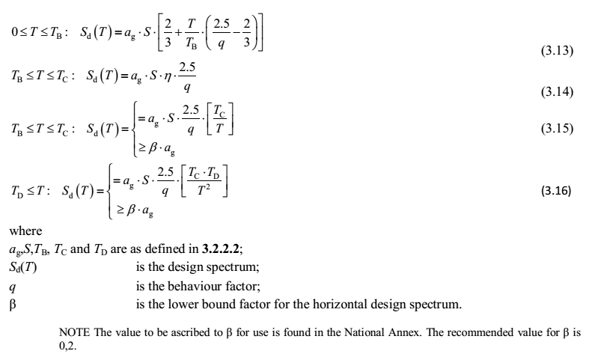

 |  |  |  |  | Type 1 | Type 2
Check which equation to use for X Direction Sd(T) |  |  |  |  | 3.16 | 3.16
Check which equation to use for Y Direction Sd(T) |  |  |  |  | 3.16 | 3.16

Sd(T)x = | 0.02 | g
Sd(T)y = | 0.02 | g

Base Shear Force

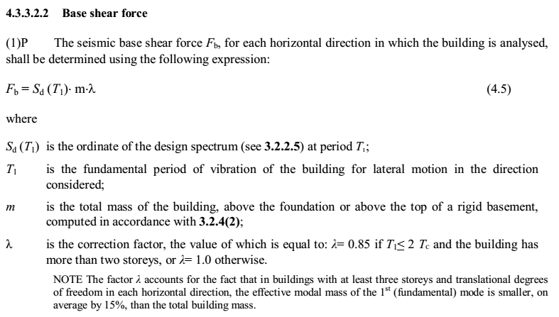

Total Building Weight = |  | 103,268.09 | KN
 |  |  |  |  |  |  |  |  |  |  | Load case for Calculated shear value
 | Sd(T)/g | m (mass inKN) |  | λ (correction Factor) | Fb(KN) |  | Modal Mass Participation Ratio (%) | Lower Bound | Upper Bound | Calculated value Base Shear for RS | 1ST FL
X-Dir | 0.02 | 103,268.09 |  | 1 | 2,065.36 |  | 49.87% | 1,029.94 | 2,065.36 | 1,742.77 | RSEQX | 1.1851029109
Y-Dir | 0.02 | 103,268.09 |  | 1 | 2,065.36 |  | 55.82% | 1,152.83 | 2,065.36 | 1,607.07 | RSEQY | 1.28517227

4.3 Geometric Imperfetion
4.3 Geometric Imperfections |  |  |  |  | Project : |  | BAHRU SARBET MODEL 1-3 q=1
 |  |  |  |  | Client : |  | ATO BAHRU
 |  |  |  |  | Designed by : |  | Sofonias Bezabeh

The unfavorable effects of possible deviation in the geometry of the
structure and the position of laoad shall be taken into account in
the analysis of members and structures according to
ES EN 1992.1.1:2015 Article 5.2.

Imperfections shall be taken into account in ultimate limit states
in persistent and accidental design situations. Imperfect need
not be considered for serviceability limit states.

Imperfections may be represented by inclination θi given by
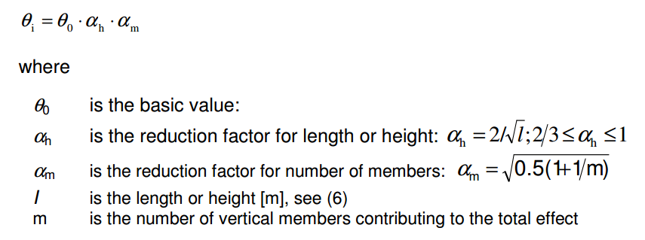

The transversal force Hi due to geometric imperfection will be
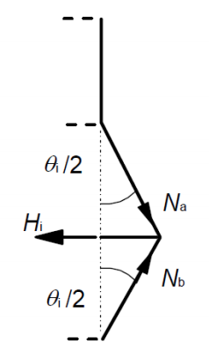
 |  |  |  |  |  |  | Axial Load Used
 |  |  |  |  |  |  | SESMASSX

Story | Ptot | θ0 | L(h) | m | αh | αm | θi | Hi
UP ROOF FL | 1039.750 | 0.005 | 3.2 | 22 | 1 | 0.72299880548 | 0.0036149940274 | 3.7587 | 3.75869004
ROOF FL | 8326.470 | 0.005 | 3.2 | 22 | 1 | 0.72299880548 | 0.0036149940274 | 30.1001 | 26.341449279
9TH FL | 22899.910 | 0.005 | 3.2 | 22 | 1 | 0.72299880548 | 0.0036149940274 | 82.7830 | 52.682898559
8TH FL | 30190.030 | 0.005 | 3.2 | 22 | 1 | 0.72299880548 | 0.0036149940274 | 109.1368 | 26.353740259
7TH FL | 37480.150 | 0.005 | 3.2 | 22 | 1 | 0.72299880548 | 0.0036149940274 | 135.4905 | 26.353740259
6TH FL | 44879.920 | 0.005 | 3.2 | 22 | 1 | 0.72299880548 | 0.0036149940274 | 162.2406 | 26.750124354
5TH FL | 52308.590 | 0.005 | 3.2 | 22 | 1 | 0.72299880548 | 0.0036149940274 | 189.0952 | 26.854597682
4TH FL | 59851.580 | 0.005 | 3.2 | 22 | 1 | 0.72299880548 | 0.0036149940274 | 216.3631 | 27.267863799
3RD FL | 67394.570 | 0.005 | 3.2 | 22 | 1 | 0.72299880548 | 0.0036149940274 | 243.6310 | 27.267863799
2ND FL | 75064.430 | 0.005 | 3.2 | 22 | 1 | 0.72299880548 | 0.0036149940274 | 271.3575 | 27.726498091
1ST FL | 83147.560 | 0.005 | 4 | 22 | 1 | 0.72299880548 | 0.0036149940274 | 300.5779 | 29.220466673
GROUND FL | 94566.490 | 0.005 | 3.04 | 22 | 1 | 0.72299880548 | 0.0036149940274 | 341.8573 | 41.279363749

4.4 Stability Analysis
 |  |  |  |  | Project : |  | BAHRU SARBET MODEL 1-3 q=1
4.4. Inter-Story Drift |  |  |  |  | Client : |  | ATO BAHRU
 |  |  |  |  | Designed by : |  | Sofonias Bezabeh
The deflections in the members of the structure induce secondary moments due to the fact that the ends of the member may no longer be vertical in the deflected position. These secondary effects for members can be accurately approximated through the use of P-Delta analysis.
Seismic design requires taking into account second order (P-Δ) effects in building whenever in the vertical members of any story they exceed 10% of the total first order ones. For values between 20% and 30% Second order anaysis is required. This criterion is the inters-tory drift sensitivity coefficient,θ, defined for story i as
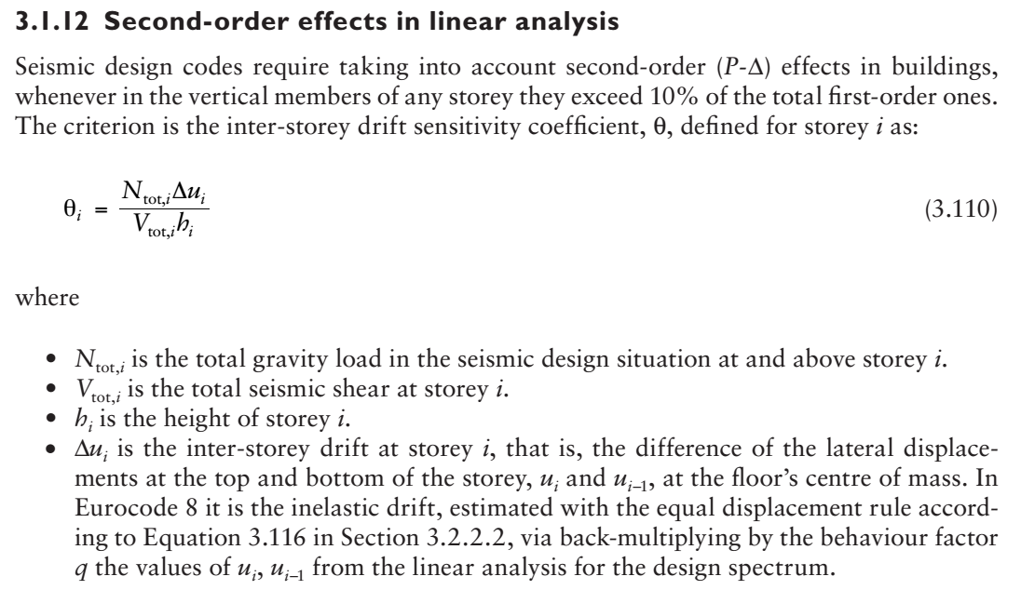

 |  |  |  |  |  |  |  | Max θx | Max θy
 |  |  |  |  |  |  |  | 20.47% | 25.77%
Stability Analysis For Different Storeys

Storey | Combination | Axial Load | Storey Height | Lateral Force Hu |  | Storey Drift Δ |  | Θ= ƩPu Δu/(Hu hs) |  | Classifcation
 |  | ƩPu = ƩWi (KN)

Storey |  | Ptot (KN) | Height = hs (m) | Hu Lateral = Vx (KN) | Hu Lateral = Vy (KN) | dr X-Δ-(m) | dr Y- Δ-(m) | θx | θy | Along X | Along Y
ROOF FL | CORSX1 MAX | 8326.470 | 3.2 | 624.43 |  | 0.0133 |  | 5.55% |  | NO SWAY |  | CORSX1 | CORSX1DL
ROOF FL | CORSX1 MIN | 8326.470 | 3.2 | -624.43 |  | 0.0079 |  | 3.28% |  | NO SWAY |  | CORSX1 | CORSY1DL
ROOF FL | CORSY1 MAX | 8326.470 | 3.2 |  | 477.3 |  | 0.0133 |  | 7.26% |  | NO SWAY | CORSY1 | CORSX1DL
ROOF FL | CORSY1 MIN | 8326.470 | 3.2 |  | -477.3 |  | 0.0079 |  | 4.29% |  | NO SWAY | CORSY1 | CORSY1DL
9TH FL | CORSX1 MAX | 22899.910 | 3.2 | 1056.4 |  | 0.0167 |  | 11.31% |  | SWAY |  | CORSX1 | CORSX1DL
9TH FL | CORSX1 MIN | 22899.910 | 3.2 | -1056.4 |  | 0.0102 |  | 6.89% |  | NO SWAY |  | CORSX1 | CORSY1DL
9TH FL | CORSY1 MAX | 22899.910 | 3.2 |  | 848.2 |  | 0.0167 |  | 14.08% |  | SWAY | CORSY1 | CORSX1DL
9TH FL | CORSY1 MIN | 22899.910 | 3.2 |  | -848.2 |  | 0.0102 |  | 8.58% |  | NO SWAY | CORSY1 | CORSY1DL
8TH FL | CORSX1 MAX | 30190.030 | 3.2 | 1204.42 |  | 0.0182 |  | 14.22% |  | SWAY |  | CORSX1 | CORSX1DL
8TH FL | CORSX1 MIN | 30190.030 | 3.2 | -1204.42 |  | 0.0112 |  | 8.78% |  | NO SWAY |  | CORSX1 | CORSY1DL
8TH FL | CORSY1 MAX | 30190.030 | 3.2 |  | 976.37 |  | 0.0182 |  | 17.54% |  | SWAY | CORSY1 | CORSX1DL
8TH FL | CORSY1 MIN | 30190.030 | 3.2 |  | -976.37 |  | 0.0112 |  | 10.83% |  | SWAY | CORSY1 | CORSY1DL
7TH FL | CORSX1 MAX | 37480.150 | 3.2 | 1354.04 |  | 0.0191 |  | 16.53% |  | SWAY |  | CORSX1 | CORSX1DL
7TH FL | CORSX1 MIN | 37480.150 | 3.2 | -1354.04 |  | 0.0119 |  | 10.30% |  | SWAY |  | CORSX1 | CORSY1DL
7TH FL | CORSY1 MAX | 37480.150 | 3.2 |  | 1098.67 |  | 0.0191 |  | 20.37% |  | SWAY | CORSY1 | CORSX1DL
7TH FL | CORSY1 MIN | 37480.150 | 3.2 |  | -1098.67 |  | 0.0119 |  | 12.70% |  | SWAY | CORSY1 | CORSY1DL
6TH FL | CORSX1 MAX | 44879.920 | 3.2 | 1492.49 |  | 0.0194 |  | 18.24% |  | SWAY |  | CORSX1 | CORSX1DL
6TH FL | CORSX1 MIN | 44879.920 | 3.2 | -1492.49 |  | 0.0121 |  | 11.41% |  | SWAY |  | CORSX1 | CORSY1DL
6TH FL | CORSY1 MAX | 44879.920 | 3.2 |  | 1209.76 |  | 0.0194 |  | 22.51% |  | SWAY | CORSY1 | CORSX1DL
6TH FL | CORSY1 MIN | 44879.920 | 3.2 |  | -1209.76 |  | 0.0121 |  | 14.08% |  | SWAY | CORSY1 | CORSY1DL
5TH FL | CORSX1 MAX | 52308.590 | 3.2 | 1622.03 |  | 0.0195 |  | 19.69% |  | SWAY |  | CORSX1 | CORSX1DL
5TH FL | CORSX1 MIN | 52308.590 | 3.2 | -1622.03 |  | 0.0122 |  | 12.32% |  | SWAY |  | CORSX1 | CORSY1DL
5TH FL | CORSY1 MAX | 52308.590 | 3.2 |  | 1305.69 |  | 0.0195 |  | 24.46% |  | SWAY | CORSY1 | CORSX1DL
5TH FL | CORSY1 MIN | 52308.590 | 3.2 |  | -1305.69 |  | 0.0122 |  | 15.31% |  | SWAY | CORSY1 | CORSY1DL
4TH FL | CORSX1 MAX | 59851.580 | 3.2 | 1750.57 |  | 0.0192 |  | 20.47% |  | SWAY |  | CORSX1 | CORSX1DL
4TH FL | CORSX1 MIN | 59851.580 | 3.2 | -1750.57 |  | 0.0119 |  | 12.75% |  | SWAY |  | CORSX1 | CORSY1DL
4TH FL | CORSY1 MAX | 59851.580 | 3.2 |  | 1390.69 |  | 0.0192 |  | 25.77% |  | SWAY | CORSY1 | CORSX1DL
4TH FL | CORSY1 MIN | 59851.580 | 3.2 |  | -1390.69 |  | 0.0119 |  | 16.04% |  | SWAY | CORSY1 | CORSY1DL
3RD FL | CORSX1 MAX | 67394.570 | 3.2 | 1893.17 |  | 0.0177 |  | 19.73% |  | SWAY |  | CORSX1 | CORSX1DL
3RD FL | CORSX1 MIN | 67394.570 | 3.2 | -1893.17 |  | 0.0110 |  | 12.22% |  | SWAY |  | CORSX1 | CORSY1DL
3RD FL | CORSY1 MAX | 67394.570 | 3.2 |  | 1480.44 |  | 0.0177 |  | 25.22% |  | SWAY | CORSY1 | CORSX1DL
3RD FL | CORSY1 MIN | 67394.570 | 3.2 |  | -1480.44 |  | 0.0110 |  | 15.63% |  | SWAY | CORSY1 | CORSY1DL
2ND FL | CORSX1 MAX | 75064.430 | 3.2 | 2051.67 |  | 0.0143 |  | 16.39% |  | SWAY |  | CORSX1 | CORSX1DL
2ND FL | CORSX1 MIN | 75064.430 | 3.2 | -2051.67 |  | 0.0088 |  | 10.11% |  | SWAY |  | CORSX1 | CORSY1DL
2ND FL | CORSY1 MAX | 75064.430 | 3.2 |  | 1579.41 |  | 0.0143 |  | 21.30% |  | SWAY | CORSY1 | CORSX1DL
2ND FL | CORSY1 MIN | 75064.430 | 3.2 |  | -1579.41 |  | 0.0088 |  | 13.13% |  | SWAY | CORSY1 | CORSY1DL
1ST FL | CORSX1 MAX | 83147.560 | 4 | 2218.71 |  | 0.0098 |  | 9.18% |  | NO SWAY |  | CORSX1 | CORSX1DL
1ST FL | CORSX1 MIN | 83147.560 | 4 | -2218.71 |  | 0.0060 |  | 5.63% |  | NO SWAY |  | CORSX1 | CORSY1DL
1ST FL | CORSY1 MAX | 83147.560 | 4 |  | 1667.12 |  | 0.0098 |  | 12.22% |  | SWAY | CORSY1 | CORSX1DL
1ST FL | CORSY1 MIN | 83147.560 | 4 |  | -1667.12 |  | 0.0060 |  | 7.49% |  | NO SWAY | CORSY1 | CORSY1DL
GROUND FL | CORSX1 MAX | 94566.490 | 3.04 | 2464.54 |  | 0.0006 |  | 0.79% |  | NO SWAY |  | CORSX1 | CORSX1DL
GROUND FL | CORSX1 MIN | 94566.490 | 3.04 | -2464.54 |  | 0.0003 |  | 0.40% |  | NO SWAY |  | CORSX1 | CORSY1DL
GROUND FL | CORSY1 MAX | 94566.490 | 3.04 |  | 1806.84 |  | 0.0006 |  | 1.07% |  | NO SWAY | CORSY1 | CORSX1DL
GROUND FL | CORSY1 MIN | 94566.490 | 3.04 |  | -1806.84 |  | 0.0003 |  | 0.54% |  | NO SWAY | CORSY1 | CORSY1DL

